Recipe
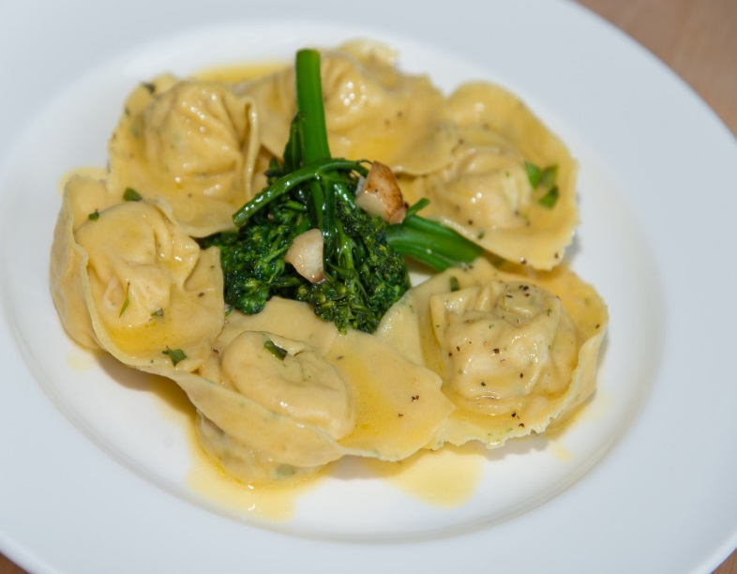
 | Tortelloni |  |  |  |  |  |  |  |  |  | rev 2-25-17
 | Mint speckled, roasted lamb, crosta nera pecorino, broccoli rabe
SCALING | Category: | Sabatini | Entrée
ENTER Number of Servings | Total Yield: | 1.218 | KG - (enter yield weight in KG) | Cost Per Plated Portion
50 |  | 7.0 | Plated Portions from this recipe | $1.49
 |  | - | Buffet Portions from this recipe
 | Serving Size Plated | 0.174 | KG - (enter Plated Serving Size in KG) | Cost Per Buffet Portion
 | Serving Size Buffet |  | KG - (enter Buffet Serving Size in KG) | -

 | Action | Date | Initials
 | Created: |  |  | Yield%
 | Revised: | 2.24.17 | DR | 100.0%
 |  | 3.3.17 | AJ
 | Amount | UOM | Ingredient | Preparation Method | Product No. | Product Description | Cost | Avg $ | UOM | Error
 | 0.05 | Kg | Lamb Filling for Tortelloni filling | See recipe below |  |  | $5.32

 |  |  | Tortelloni filling: 485 g 7 servings
 | 0.250 | kg | Lamb Filling | See Sub Recipe
 | 0.055 | kg | Pecorino Romano |  | 20-100000552 | Pecorino With Black Pepper | $0.53 | $9.63 | KG
0.61428571429 | 0.086 | kg | Ricotta |  | 20-100000536 | Ricotta | $0.33 | $3.83 | KG
 | 0.002 | kg | Mint |  | 20-100000878 | Herb, Mint | $0.02 | $7.89 | KG
 | 0.001 | Kg | Fresh sage |  | 20-100000880 | Herb, Sage, Bulk, Fresh | $0.01 | $13.76 | KG
 | 0.001 | Kg | Nutmeg |  | 20-100001290 | Nutmeg Ground | $0.03 | $29.47 | KG
0.0071428571429 | 0.001 | Kg | Salt |  | 20-100001305 | SALT TABLE IODIZED | $0.00 | $0.34 | KG
 | 0.001 | Kg | Pepper |  | 20-100001295 | Pepper Black Ground | $0.02 | $18.54 | KG
 |  |  | 65g of stuffing per portion

 |  |  | Sauce: 7 portions 35 ml each
1.5 | 0.210 | Kg | Broccolini |  | 20-100024038 | Broccolini, Fresh - For Curtis Stone Only | $0.86 | $4.09 | KG
 | 0.035 | Lt | Extra virgin olive oil |  | 20-100001607 | Oil Olive Extra Virgin | $0.15 | $4.29 | LT
 | 0.035 | Kg | Pecorino Crosta nera |  | 20-100000552 | Pecorino With Black Pepper | $0.34 | $9.63 | KG
 | 0.035 | Kg | Shallot |  | 20-100000864 | Shallot | $0.09 | $2.68 | KG
0.05 | 0.007 | Kg | Salt |  | 20-100001305 | SALT TABLE IODIZED | $0.00 | $0.34 | KG
 | 0.007 | Kg | Pepper |  | 20-100001295 | Pepper Black Ground | $0.13 | $18.54 | KG
 | 0.007 | Kg | Chili Flakes |  | 20-100001275 | Chili Peppers Crushed | $0.06 | $8.29 | KG
 | 0.015 | Kg | Butter |  | 20-100001600 | Butter Unsalted Aa 1 Lb (454 Gm) | $0.06 | $3.78 | KG
0 |  |  |  |  |  |  | $1.12
3 | 0.420 | Kg | Pasta Dough (7 portions) | From recipe below |  |  | $1.40
z | 1.218 |  |  |  |  | Total Cost | $10.46
 |  |  |  |  |  | Entrée Cost per serving | $1.49
 |  |  | Lamb Filling: 950 g 20 Portions
 | 1.500 | kg | Lamb Shoulder | yield: 950 | 20-100024017 | Lamb, Shoulder Boneless, Trimmed NAMP #208-For Curtis Stone Only | $11.70 | $7.80 | KG
 | 0.335 | kg | Onion | Chopped | 20-100000835 | Onion Yellow, Medium 60-80 MM Dia | $0.18 | $0.55 | KG
 | 0.250 | kg | Celery |  | 20-100000813 | Celery, US No.1, Green, 700-800 Grms Trimmed, US 24 CT | $0.21 | $0.85 | KG
 | 0.170 | kg | Carrots |  | 20-100000811 | Carrots, Medium, 200-300 MM No Top | $0.11 | $0.62 | KG
 | 0.150 | kg | Tomato Paste |  | 20-100001217 | Tomato Paste 26 - 28% Solids #10 | $0.58 | $3.90 | EA | DIFFERENT | $0.19
 | 0.025 | kg | Sage |  | 20-100000880 | Herb, Sage, Bulk, Fresh | $0.34 | $13.76 | KG
 | 0.010 | kg | Thyme |  | 20-100000886 | Herb, Thyme, Bulk, Fresh | $0.12 | $11.79 | KG
 | 1.000 | lt | Red Wine |  | 20-100001687 | Wine Red 18 Ltr Bag (Crew) Alcohol 13.5% Food Item | $1.02 | $18.34 | EA | DIFFERENT | $1.02
 | 0.500 | lt | Water
 | 1.800 | kg | Tomato, Peeled |  | 20-100001221 | Tomatoes Peeled Cubes #10 | $0.96 | $0.53 | KG
 | 0.005 | kg | Garlic, Fresh | Chopped | 20-100000869 | GARLIC PEELED 1 GAL | $0.01 | $11.94 | EA | DIFFERENT | $0.01
 | 0.008 | kg | Rosemary |  | 20-100000879 | Herb, Rosemary, Bulk, Fresh | $0.09 | $10.94 | KG
 |  |  | Pasta Dough: 80 Portions
 | 2.000 | kg | Pasta Flour |  | 20-100000471 | Flour Bakers Hard Wheat 1/50 (Manitoba Typo 00) | $1.21 | $0.60 | KG
 | 1.800 | Lt | egg yolk (60 egg yolks) |  | 20-100000952 | Egg Pasturized Frozen Yolks Sugar Added Tetra Pak | $14.47 | $2.89 | KG | DIFFERENT | $14.47
 | 0.05 | Kg | Fresh mint |  | 20-100000878 | Herb, Mint | $0.39 | $7.89 | KG

Method of Preparation:
 | 1. Pass through the meat grinder the roasted lamb meat. Add the ricotta and grated pecorino scorza nera adjust flavor to
 | taste. Keep refrigerated .

 | 2. Pour in sauté pan extra virgin olive oil. Add shallots, broccolini, and chili flakes and cook for 2 minutes. Reserve.

 | 3. Toss Tortelloni in grated pecorino crosta nera, cooking pasta water, butter cubes, extra virgin olive oil and fresh milled black pepper.

 | 4. Spoon broccolini on the center of plate and place tortelloni around it. Mill fresh ground pepper on top. Serve hot.

