Recipe
Herbs Trout Fillet Rolls Lake Iseo Style (Lombardia Region)
 | Menu Description:
 |  | 2 |  |  | Cost Per Serving
 | yield: | 1.037 |  |  | $2.84
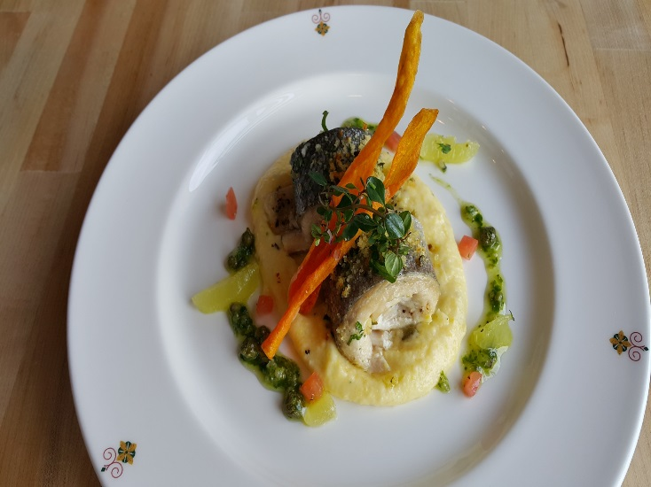
 | Plated portion: | 2
 | Serving Size (Kg) | 0.5185

 | Action | Date | Initials
 | Created: | 2016-06-30 | FL
 | Revised: | 3.10.17 | AJ

 | Amount | Measure | Ingredient | Preparation Method | Product No. | Product Description | Cost | Avg $ | UOM | DIFFERENT

 | 0.425 | Kg | 2 Whole Trout (4 Filet) |  | 20-100000712 | Trout Whole Boned 6 Oz (Oncorhynchus Mykiss) | $3.82 | $9.00 | KG
 | 0.010 | Kg | Garlic | finely chopped | 20-100000817 | Garlic, Whole, Jumbo | $0.04 | $3.72 | KG
 | 0.010 | Kg | Capers | finely chopped | 20-100001224 | Capers Imported Non Pareil (5-7Mm) 900 Grams | $0.05 | $4.27 | EA | DIFFERENT | $0.05
 | 0.040 | Kg | Parmesan Cheese |  | 20-100000533 | Parmesan For Grating | $0.39 | $9.68 | KG
 | 0.070 | Kg | Bread Crumbs |  | 20-100016117 | PANKO JAPANESE BREAD CRUMBS | $0.10 | $1.48 | KG
 | 0.040 | lt | Olive Oil |  | 20-100001607 | Oil Olive Extra Virgin | $0.17 | $4.29 | LT
 | 0.010 | Kg | Anchovies | finely chopped | 20-100009199 | Anchovy White Fillet Not Salted Cured | $0.22 | $21.91 | KG
 | 0.100 | Kg | Corn meal |  | 20-100001032 | Polenta (Corn Meal) | $0.08 | $0.81 | KG
 | 0.050 | Kg | Butter |  | 20-100001600 | Butter Unsalted Aa 1 Lb (454 Gm) | $0.19 | $3.78 | KG
 | 0.002 | Kg | Thyme | finely chopped | 20-100000886 | Herb, Thyme, Bulk, Fresh | $0.02 | $11.79 | KG
 | 0.005 | Kg | Parsley | finely chopped | 20-100000839 | Herb, Parsley, Curly, Bulk, Fresh | $0.02 | $3.43 | KG
 | 0.040 | Kg | Tomato |  | 20-100000855 | Tomato, Round, Red / Stage 5, Medium / 57-67 MM Dia, Bulk | $0.05 | $1.31 | KG
 | 0.020 | Kg | Lemon |  | 20-100000771 | Lemon, No.1, 165-200 CT, 90-120 GR | $0.03 | $1.56 | KG
 |  |  | Salt & pepper- to taste
 |  |  | Herb Oil:
 | 0.005 | Kg | Rosemary | finely chopped | 20-100000879 | Herb, Rosemary, Bulk, Fresh | $0.06 | $11.19 | KG
 | 0.005 | Kg | Thyme | finely chopped | 20-100000886 | Herb, Thyme, Bulk, Fresh | $0.08 | $15.18 | KG
 | 0.005 | Kg | Tarragon | finely chopped | 20-100000881 | Herb, Tarragon, Bulk, Fresh | $0.07 | $14.11 | KG
 | 0.005 | Kg | Garlic | finely chopped | 20-100000869 | GARLIC PEELED 1 GAL | $0.03 | $11.94 | EA | DIFFERENT | $0.03
 | 0.005 | Kg | Basil | finely chopped | 20-100000876 | Herb, Basil, Bulk, Fresh | $0.04 | $8.70 | KG
 | 0.010 | Lt | Olive Oil |  | 20-100001607 | Oil Olive Extra Virgin | $0.04 | $4.29 | LT

 | 0.020 | Kg | Carrot | slice mandoline | 20-100000811 | Carrots, Medium, 200-300 MM No Top | $0.01 | $0.62 | KG
 | 0.010 | Kg | Flour | for dusting | 20-100000471 | Flour Bakers Hard Wheat 1/50 (Manitoba Typo 00) | $0.01 | $0.60 | KG
 | 0.150 | Lt | Frying Oil |  | 20-100001608 | Oil Vegetable Trans Fat Free Flashpoint must be >600 Degree F/315 Degree C | $0.17 | $1.12 | LT

 |  |  |  |  |  |  | $5.69
Method of Preparation: |  |  |  |  |  |  | $2.84
- | Prepare the trout in four filets without the head and boneless.
- | Melt the anchovies in the sauté pan and half of the chopped capers, after that mix together with the
 | bread crumbs, parmesan cheese, chopped garlic, parsley and thyme, to obtain a moist bread crumbs.
- | Sprinkle this bread crumbs on top of the filets and roll it.
- | Prepare the polenta with cornmeal cooked with water, butter and salt.
 | Once the trout is rolled, drizzle with olive oil and fish stock. Bake for 5 minutes at 250 °f or until bread crumbs are browned and crisp.
 | Remove from oven. Mix tomato, lemon segments, and herb oil. Drizzle around plate per picture.

 | Herb Oil Garnish:
 | 1- Combine rosemary, thyme, garlic, tarragin, and basil with olive oil.

 |  |  | Carrot Chips:
 | 1- Dust sliced carrots in flour. Fry in vegetable oil at 150° until crackling.

History of the Dish:
 | A Northern Italian dish from Lombardia Region at the border of Swiss Alps, this dish is a combination of
 | the local ingredients such as the famous soft cornmeal Polenta served with local catch Trout from Lake D’ Iseo
 | enhanced with flavored herbs & butter.

