Recipe
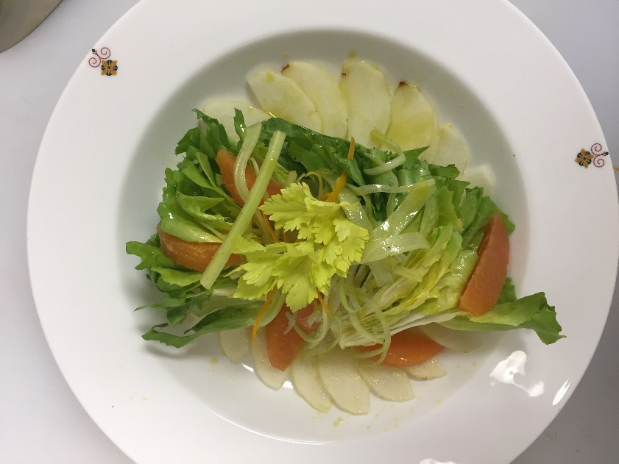
 | Insalata Di Sedano. Scarola E Pere Alla Scorza D'Arancia |  |  |  |  |  |  |  |  |  | rev 2-25-17
 | Escarole, White Celery and Pear Salad, Orange Zest
SCALING | Category: | Sabatini | Salad
ENTER Number of Servings | Total Yield: | 1.07 | KG - (enter yield weight in KG) | Cost Per Plated Portion
50 |  | 6.0 | Plated Portions from this recipe | $0.62
 |  | - | Buffet Portions from this recipe
 | Serving Size Plated | 0.17833333333 | KG - (enter Plated Serving Size in KG) | Cost Per Buffet Portion
 | Serving Size Buffet |  | KG - (enter Buffet Serving Size in KG) | -

 | Action | Date | Initials
 | Created: | 3.6.17 | Angelo Auriana | Yield%
 | Revised: | 3.7.17 | AJ | 101.3%

 | Amount | UOM | Ingredient | Preparation Method | Product No. | Product Description | Cost | Avg $ | UOM | Error
4.1666666667 | 0.500 | Kg | Baby Escarole, Endive (4 ea) (6 x 60 g) |  | 20-100000825 | Lettuce Frisee / Curly Endive | $1.98 | $3.97 | KG
1 | 0.120 | Kg | Celery, white | Peeled, Julienned | 20-100000875 | Celery Root / Celeriac | $0.30 | $2.50 | KG
0.34166666667 | 0.041 | Kg | Orange Segments (2 ea) | (Zest Reserved) | 20-100000778 | ORANGE, US FANCY / EU NO.1, 88CT / 200 GR | $0.04 | $0.95 | KG
0.41666666667 | 0.050 | Kg | Sliced Pear (2 ea) | Seasonal | 20-100000783 | Pears Green(William,Packhams,Bartlett,Abate,Beurre Anjou) 100-110CT 150-170 GR | $0.06 | $1.26 | KG
0
0 |  |  | Citrus-Chive Vinaigrette:
2.0833333333 | 0.250 | Lt | Extra Virgin Olive Oil |  | 20-100001607 | Oil Olive Extra Virgin | $1.07 | $4.29 | LT
0.25 | 0.030 | Lt | Champagne Vinegar |  | 20-100023851 | Vinegar, Champagne | $0.09 | $3.00 | LT
0.083333333333 | 0.010 | Lt | Lemon Juice |  | 20-100001384 | Lemon Juice Pure | $0.01 | $0.84 | LT
0.125 | 0.015 | Kg | Dijon Mustard |  | 20-100001256 | Mustard Dijon(Original French) 8 Oz Btl | $0.00 | $1.98 | EA | DIFFERENT | $0.00
0.25 | 0.030 | Lt | Lemon Juice |  | 20-100001384 | Lemon Juice Pure | $0.03 | $0.84 | LT
0.083333333333 | 0.010 | Kg | Chives, fresh | Chopped | 20-100000882 | Herb, Chives, Bulk, Fresh | $0.13 | $12.53 | KG
0
0
0
z | 1.056 |  |  |  |  | Total Cost | $3.71
 |  |  |  |  |  | Entrée Cost per serving | $0.62
Method of Preparation:
 | 1- Toss tomatoes, bell pepper, onion, and garlic with extra virgin olive oil in a shallow baking pan and bake in a preheated 375F oven, turning occasionally, until lightly charred on all sides, about 10 minutes. Set aside to chill.

 | 2- Purée in a vitamix blender the roasted vegetables add red pepper flakes, and salt until smooth. Keep refrigerated.

