Recipe
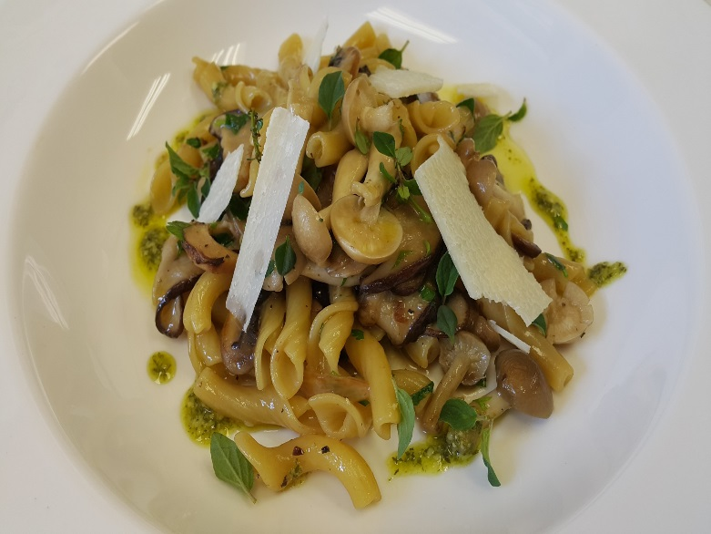
 | Torchietti |  |  |  |  |  |  |  |  |  | rev 2-25-17
 | Semolina pasta, foraged mushrooms sugo, rosemary oil
SCALING | Category: | Sabatini
ENTER Number of Servings | Total Yield: | 2.141 | KG - (enter yield weight in KG) | Cost Per Plated Portion
50 |  | 1.0 | Plated Portions from this recipe | $1.65
 |  | - | Buffet Portions from this recipe
 | Serving Size Plated | 2.141 | KG - (enter Plated Serving Size in KG) | Cost Per Buffet Portion
 | Serving Size Buffet |  | KG - (enter Buffet Serving Size in KG) | -

 | Action | Date | Initials
 | Created: |  |  | Yield%
 | Revised: | 3.7.17 | AJ | 577.1%

 | Amount | UOM | Ingredient | Preparation Method | Product No. | Product Description | Cost | Avg $ | UOM | Error
2.5 | 0.050 | Kg | Fresh Chanterelee Mushroom |  | 20-100000910 | Mushroom Mixed Frozen | $0.22 | $4.46 | KG
0.25 | 0.005 | Kg | Dry Pocini |  | 20-100001201 | Mushrooms Porcini Dried | $0.19 | $37.01 | KG
1.25 | 0.025 | Kg | Onion | chopped | 20-100000837 | Onion White, Medium 60-80 MM Dia | $0.03 | $1.23 | KG
0.75 | 0.015 | Kg | Celery |  | 20-100000813 | Celery, US No.1, Green, 700-800 Grms Trimmed, US 24 CT | $0.01 | $0.85 | KG
0.4 | 0.008 | Kg | Carrots |  | 20-100000811 | Carrots, Medium, 200-300 MM No Top | $0.00 | $0.62 | KG
0.6 | 0.012 | Kg | Tomato Paste |  | 20-100001217 | Tomato Paste 26 - 28% Solids #10 | $0.05 | $3.90 | EA | DIFFERENT
0.1 | 0.002 | Kg | Sage |  | 20-100000880 | Herb, Sage, Bulk, Fresh | $0.03 | $13.76 | KG
0.05 | 0.001 | Kg | Thyme |  | 20-100000886 | Herb, Thyme, Bulk, Fresh | $0.01 | $11.79 | KG
1.5 | 0.030 | Kg | Sliced Foraged Mushrooms |  | 20-100000908 | Mushroom Caps Sliced Frozen | $0.08 | $2.70 | KG
2.5 | 0.050 | Lt | Red Wine |  | 20-100001687 | Wine Red 18 Ltr Bag (Crew) Alcohol 13.5% Food Item | $0.92 | $18.34 | EA | DIFFERENT
0.5 | 0.010 | Lt | Water
5 | 0.100 | Kg | Peeled Tomato |  | 20-100001221 | Tomatoes Peeled Cubes #10 | $0.05 | $0.53 | KG
0.05 | 0.001 | Kg | Garlic | Chopped | 20-100000869 | GARLIC PEELED 1 GAL | $0.01 | $11.94 | EA | DIFFERENT
0.05 | 0.001 | Kg | Majoram |  | 20-100001293 | Oregano Whole Dry | $0.01 | $14.01 | KG
0.05 | 0.001 | Kg | Italian Parley |  | 20-100023859 | Parsley, Flat Leaf Italian | $0.00 | $2.17 | KG

 | 0.060 | Kg | Pasta Dough |  |  |  | $0.03

z | 0.371 |  |  |  |  | Total Cost | $1.65
 |  |  |  |  |  | Entrée Cost per serving | $1.65

 |  |  | Pasta Dough: 80g x 40 portions
 | 1.800 | Kg | Flour (Rimacinata Molino Quaglia) |  | 20-100000471 | Flour Bakers Hard Wheat 1/50 (Manitoba Typo 00) | $1.09 | $0.60 | KG
 | .706` | Lt | Water
 | 0.030 | Kg | White wine |  | 20-100001689 | Wine White 18 Ltr Bag (Crew) Alcohol 13.5% Food Item | $0.03 | $18.43 | EA | DIFFERENT | $1.02

Method of Preparation:
 | 1- Heat olive oil in a saucepan over medium heat, add garlic clove and sliced mushrooms and stir until the juice from the mushrooms evaporates and the mushrooms are browned, about 3 minutes. Set a side

 | 2- in the same pan add onion, celery, carrots and cook until softened, add fresh herbs, pour red wine, tomato paste and peeled tomato and let simmer for 10 minutes. Add salt and pepper and stir in previously sautéed mushrooms and fresh chanterelles. Bring to a simmer, reduce heat, and cook until slightly thickened, about 5 minutes.

 | 3- In sauté pan toss semolina torchietti to coat with mushrooms sauce, sprinkle with reggiano, drizzle rosemary oil and serve very hot.

