Recipe
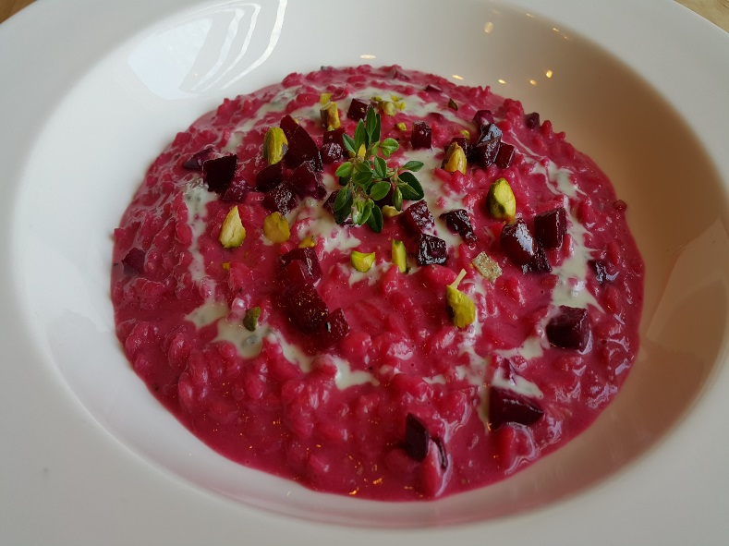
 | Risotto |  |  |  |  |  |  |  |  |  | rev 2-25-17
 | Vialone Nano Rice, Beets dolce latte, gorgonzola, Pistachio
SCALING | Category: | Sabatini
ENTER Number of Servings | Total Yield: | 0.629 | KG - (enter yield weight in KG) | Cost Per Plated Portion
50 |  | 1.0 | Plated Portions from this recipe | $1.49
 |  | - | Buffet Portions from this recipe
 | Serving Size Plated | 0.629 | KG - (enter Plated Serving Size in KG) | Cost Per Buffet Portion
 | Serving Size Buffet |  | KG - (enter Buffet Serving Size in KG) | -

 | Action | Date | Initials
 | Created: |  |  | Yield%
 | Revised: | 2.26.17 | Dr | 100.0%
 |  | 3.6.17 | AJ
 | Amount | UOM | Ingredient | Preparation Method | Product No. | Product Description | Cost | Avg $ | UOM | Error
3 | 0.060 | kg | Vialone Nano Rice |  | 20-100001174 | Rice Arborio (Risotto) | $0.13 | $2.11 | KG
17.5 | 0.350 | lt | Vegetable Stock |  | 50-100000018 | Vegetable Stock | $0.19 | $0.55 | LT
0.2 | 0.004 | kg | Shallot | minced | 20-100000864 | Shallot | $0.01 | $2.68 | KG
1.25 | 0.025 | kg | Butter |  | 20-100001600 | Butter Unsalted Aa 1 Lb (454 Gm) | $0.09 | $3.78 | KG
1.75 | 0.035 | kg | Parmigiano Reggiano |  | 20-100000533 | Parmesan For Grating | $0.34 | $9.68 | KG
1.5 | 0.030 | kg | Beat Puree |  |  |  | $0.04
0.4 | 0.008 | lt | White wine |  | 20-100001689 | Wine White 18 Ltr Bag (Crew) Alcohol 13.5% Food Item | $0.01 | $18.43 | EA | DIFFERENT | $0.01
0.5 | 0.010 | kg | Crushed Pistachio |  | 20-100000896 | Pistachio Green Shelled | $0.20 | $20.38 | KG
0.05 | 0.001 | kg | Salt |  | 20-100001305 | SALT TABLE IODIZED | $0.00 | $0.34 | KG
0.05 | 0.001 | kg | Pepper |  | 20-100001295 | Pepper Black Ground | $0.02 | $18.54 | KG
0.25 | 0.005 | lt | Extra Virgin Olive oil |  | 20-100001607 | Oil Olive Extra Virgin | $0.02 | $4.29 | LT
5 | 0.100 | Lt | Gorgonzola Cream | Sub Recipe |  |  | $0.43

0
0
0
z | 0.629 |  |  |  |  | Total Cost | $1.49
 |  |  |  |  |  | Entrée Cost per serving | $1.49
 |  | Gorgonzola Cream: 10 Portions
 | 0.25 | kg | dolce latte Gorgonzola |  | 20-100000561 | Gorgonzola (Dolcelatte) Wisconsin | $1.68 | $6.70 | KG
1 | 1 | Lt | heavy cream |  | 20-100000582 | Cream Whipping Long Life Qts (Liter) Butterfat Min 36% | $2.67 | $2.67 | LT
 |  | Beet Puree
 | 0.05 | Kg | Beets | boiled | 20-100000806 | Beetroot Red Topped, Fresh, Raw | $0.04 | $0.88 | KG

 |  |  |  |  |  |  | $4.35
Method of Preparation: |  |  |  |  |  |  | $0.43
 |  |  | Beet Puree:
 | 1- Boil Beets in salted water. Remove. Set aside a quarter of the beats and dice small. Reserve for garnish.

 | 2- Take remainder of beets and blend together with a little water from boiling process.

 |  |  | Risotto:

 | 1. Bring cream to a boil and add dolcelatte gorgonzola simmer to combine about 4 to 5 minutes. Reserve

 | 2. In a saucepan over medium heat, bring the stock to as immer. Reduce the heat to low and keep the stock warm.

 | 3. In a saucepan over medium heat, warm the olive oil, add the onion and cook until softened (about 2 minutes) add the
 | rice and stiry until each grain is well coated with oil

 | 4. Add the wine and stir until it is completely absorbed, about 1 minute. Bein adding stock 1 ladle at a time, stirring
 | frequently after each addition.

 | 5. Wait until the stock is almost completely absorbed before adding more.

 | 6. Add beet puree and when the rice is cooked after about 15 minutes. It should be firm to the bite, remove from fire and
 | stir in the butter and cheese mixing to a creamy consistency. Adjust seasoning

 |  |  | For Garnish:

 | 1- Melt butter in a pan, add beet cubes, and lightly sauté with salt, pepper, and thyme.

 | 2. Serve on a large plate and pour docelatte gorgonzola crema in circular motion. Sprinkle pistachio and arrange beat cubes.

