Recipe
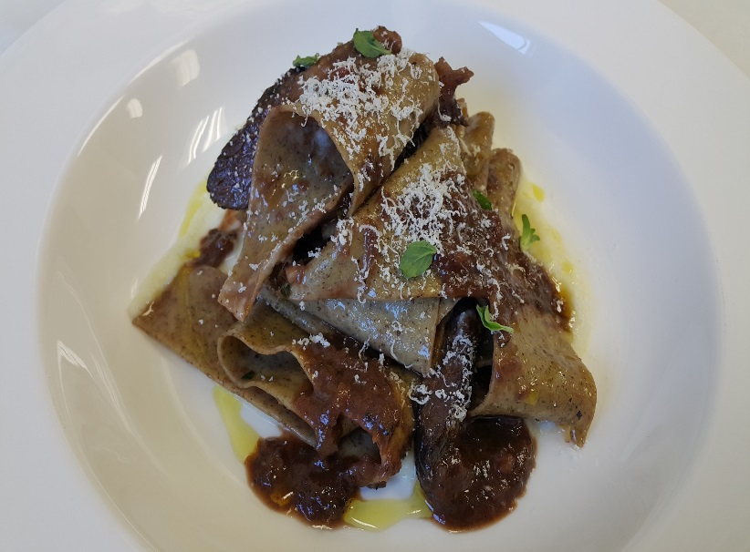
 | Buckwheat Pappardelle |  |  |  |  |  |  |  |  |  | rev 2-15-17
 | wide ribbon pasta, ceriac, nebbiolo, beef cheek
Category: |  | Sabatini
Total Yield: |  | 7.086 | KG - (enter yield weight in KG) | Cost Per Plated Portion
 |  | 10.0 | Plated Portions from this recipe | $2.34
 |  | #NAME? | Buffet Portions from this recipe
 | Serving Size Plated | 0.7086 | KG - (enter Plated Serving Size in KG) | Cost Per Buffet Portion
 | Serving Size Buffet | 0 | KG - (enter Buffet Serving Size in KG) | 0

 | Action | Date | Initials
 | Created: |  | CP | Yield%
 | Revised: | 3.3.17 | AJ | 74.8%

 | Amount | UOM | Ingredient | Preparation Method | Product No. | Product Description | Cost | Avg $ | UOM | DIFF

 | 2.000 | Kg | Beef Cheeks (10 x 50 g) | Trimmed | 20-100023914 | Beef, Cheeks Trimmed - For Curtis Stone Only | $12.89 | $6.45 | KG
 | 0.500 | Kg | 3" Bone Marrow |  | 20-100000518 | Bones - Beef with Marrow/Cut 3" Pieces NAMP #134 | $0.72 | $1.44 | KG
 | 0.100 | kg | Tomato Paste |  | 20-100001217 | Tomato Paste 26 - 28% Solids #10 | $0.12 | $3.90 | EA | DIFFERENT | $0.12
 | 0.350 | kg | Red Onion |  | 20-100000838 | Onion Red, Medium 60-80 MM Dia | $0.30 | $0.86 | KG
 | 0.500 | lt | Red Wine |  | 20-100001687 | Wine Red 18 Ltr Bag (Crew) Alcohol 13.5% Food Item | $0.51 | $18.34 | EA | DIFFERENT | $0.51
 | 0.200 | kg | Roma Tomato |  | 20-100000861 | Tomato Roma / Plum, Red Stage 5, Medium 47/57 MM, Bulk | $0.31 | $1.54 | KG
 | 1.000 | lt | Beef Stock |  | 50-100000150 | Beef Stock | $1.24 | $1.24 | LT
 | 0.005 | kg | Fresh Garlic |  | 20-100000869 | GARLIC PEELED 1 GAL | $0.06 | $11.94 | EA | DIFFERENT | $0.01
 |  |  | Pasta Dough: 80g x 10 portions
 | 1.800 | Kg | Pasta Flour 00 |  | 20-100000471 | Flour Bakers Hard Wheat 1/50 (Manitoba Typo 00) | $1.09 | $0.60 | KG
 | 1.500 | Kg | Egg Yolk |  | 20-100000952 | Egg Pasturized Frozen Yolks Sugar Added Tetra Pak | $4.34 | $2.89 | KG
 | 0.200 | Kg | Buck Wheat Flour |  | 20-100000472 | Flour Buckwheat | $0.90 | $4.52 | KG

 |  |  | Braised Beef Cheek Sauce | From Cooking Process
 | 0.015 | Kg | Grated Parmesan |  | 20-100000533 | Parmesan For Grating | $0.15 | $9.68 | KG

 |  |  | Celery Root Purre: 10 Portions
 | 0.300 | Kg | Celery Root |  | 20-100000875 | Celery Root / Celeriac | $0.75 | $2.50 | KG
 | 0.001 | Kg | Peppercorn Black (5 ea) |  | 20-100001296 | Pepper Black Whole | $0.02 | $20.84 | KG
 | 0.001 | Kg | Bay Leaf (1ea) |  | 20-100001270 | Bay Leaves Whole | $0.01 | $12.55 | KG
 | 0.500 | LT | Millk |  | 20-100000577 | Milk Whole Homo 5 Gal Dispenser (20 Lt) USDA GRADE A | $0.44 | $15.98 | EA | DIFFERENT | $0.44
 | 0.500 | Lt | Water
z | 9.472 |  |  |  |  | Total Cost | $23.42
Method of Preparation: |  |  |  |  |  | Entrée Cost per serving | $2.34
 |  |  | Celery Root Purre:
 | 1. Peel and cut celery root in half and in sixths and cook in milk and water with bay leaf and whole pepper grains.

 | 2. Drain and puree in vitamix adding reserved cooking liquid in a creamy consistency. Set aside
 |  |  | To Finish:
 | 3. In a saute pan toss buck wheat pappardelle to coat with braised beef cheek sauce, sprinkle with reggiano and serve very
 | hot over a celery root puree

 |  |  | Braised Beef Cheek Sauce:
 | 1. Sear the beef cheeks in vegetable oil on high heat until starting to color.
 | 2. Add the red onionc and sauté all until brown.
 | 3. Stir in the tomato paste and garlic.
 | 4. Deglaze with red wine, reduce by half. Add the tomatoes, beef stock, thyme, bay leaves, rosemary, sage and cloves.
 | 5. Bring to a boil, reduce to a simmer. Cover and put in a slow 300-325F (160C) oven for 1-1.5 hours or until fork tender. Check every 20-30 minutes to ensure cooking slowly.
 | 6. Remove from heat. Take the beef cheek out of the sauce and take the meat off the bones. Return the meat to the sauce. Check the consistency and season to taste.

