Recipe
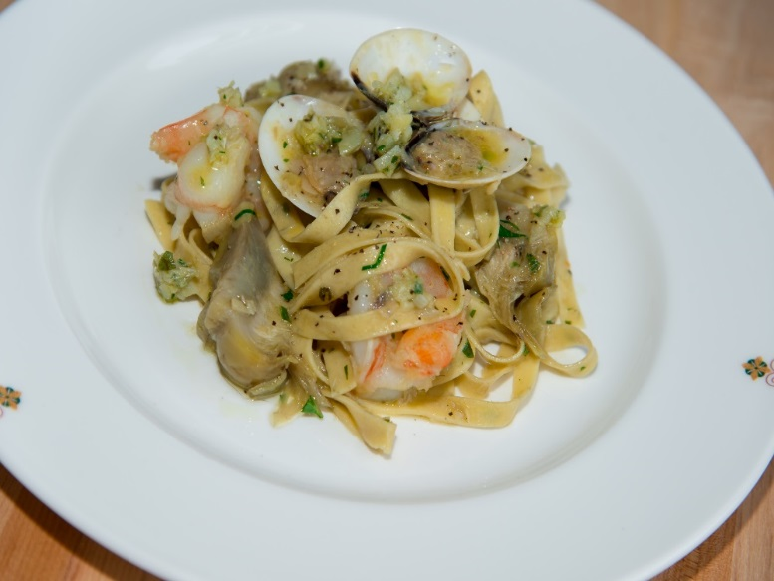
 | Piccage |  |  |  |  |  |  |  |  |  | rev 2-25-17
 | Marjoram infused long pasta, white prawns, artichoke pesto, ligurian olive oil
SCALING | Category: | Sabatini | Entrée
ENTER Number of Servings | Total Yield: | 0.9962 | KG - (enter yield weight in KG) | Cost Per Plated Portion
50 |  | 1.0 | Plated Portions from this recipe | $2.08
 |  | - | Buffet Portions from this recipe
 | Serving Size Plated | 0.9962 | KG - (enter Plated Serving Size in KG) | Cost Per Buffet Portion
 | Serving Size Buffet |  | KG - (enter Buffet Serving Size in KG) | -

 | Action | Date | Initials
 | Created: |  |  | Yield%
 | Revised: | 2.24.17 | DR | 282.2%
 |  | 3.3.17 | AJ
 | Amount | UOM | Ingredient | Preparation Method | Product No. | Product Description | Cost | Avg $ | UOM | Error
4.2 | 0.084 | kg | White Prawns (16-20) 3 ea 72g |  | 20-100000737 | Shrimp Black Tiger, Head Off Raw Peeled & Deveined 16/20 Ct/Lb (Penaeus Monodon) | $1.18 | $14.10 | KG
1 | 0.020 | kg | Fresh Artichoke |  | 20-100000914 | Artichoke Bottoms Frozen | $0.11 | $5.45 | KG
3.1 | 0.062 | kg | Steamed clams (3 ea) 62 g |  | 20-100000719 | Clams Topneck 11-16/lb for Pasta (Meretrix Lyrata) | $0.10 | $3.48 | KG | $0.00
0.05 | 0.001 | kg | Salt |  | 20-100001305 | SALT TABLE IODIZED | $0.00 | $0.34 | KG
0.05 | 0.001 | kg | Pepper |  | 20-100001295 | Pepper Black Ground | $0.02 | $18.54 | KG
0.05 | 0.001 | kg | Fresh Garlic |  | 20-100000869 | GARLIC PEELED 1 GAL | $0.00 | $11.94 | EA | DIFFERENT | $0.00
0.05 | 0.001 | kg | Fresh marjoram |  | 20-100000885 | Herb, Marjoram, Bulk, Fresh | $0.01 | $14.11 | KG
 | 0.002 | kg | Shallot |  | 20-100000864 | Shallot | $0.01 | $2.68 | KG
0.05 | 0.001 | kg | Basil Leaf (1) |  | 20-100000876 | Herb, Basil, Bulk, Fresh | $0.01 | $8.70 | KG
 | 0.015 | lt | Ligurian Olive Oil |  | 20-100001607 | Oil Olive Extra Virgin | $0.06 | $4.29 | LT
1 | 0.02 | lt | Shrimp Stock |  |  |  | $0.09
 |  |  | Pesto:
2 | 0.04 | kg | Artichokes | Cooked | 20-100000914 | Artichoke Bottoms Frozen | $0.22 | $5.45 | KG
 | 0.001 | kg | Garlic, Fresh |  | 20-100000869 | GARLIC PEELED 1 GAL | $0.00 | $11.94 | EA | DIFFERENT | $0.00
5 | 0.100 | Kg | lemon zest |  | 20-100000771 | Lemon, No.1, 165-200 CT, 90-120 GR | $0.10 | $1.56 | KG
 | 0.002 | kg | Shallot | Minced | 20-100000864 | Shallot | $0.01 | $2.68 | KG
0.1 | 0.002 | kg | Italian Parsley |  | 20-100023859 | Parsley, Flat Leaf Italian | $0.00 | $2.17 | KG

0 |  |  | Pasta Dough |  |  |  | $0.15
z | 0.353 |  |  |  |  | Total Cost | $2.08
 |  |  |  |  |  | Entrée Cost per serving | $2.08
 |  |  | Pasta Dough: 20 portions
 | 1.200 | kg | Pasta Flour |  | 20-100000471 | Flour Bakers Hard Wheat 1/50 (Manitoba Typo 00) | $0.72 | $0.60 | KG
 | 0.800 | kg | Type 0
 | 0.400 | kg | Egg Yolks |  | 20-100000952 | Egg Pasturized Frozen Yolks Sugar Added Tetra Pak | $1.16 | $2.89 | KG
 | 0.450 | kg | Whole Eggs |  | 20-100000949 | Egg Pasturized Frozen Whole with Citric Acid Tetra Pak | $1.06 | $2.35 | KG
 | 0.001 | kg | Marjoram, Fresh |  | 20-100000885 | Herb, Marjoram, Bulk, Fresh | $0.01 | $14.11 | KG
 |  |  | Shrimp Stock: 10 portion
 |  |  | Shrimp Stock: 10 Liters
 | 10.000 | kg | Shrimp shells |  | 20-100015834 | Bones - Lobster Shells/Bodies for Stock (Panulirus Versacolor) | $28.89 | $2.89 | KG
 | 0.100 | lt | Vegetable oil |  | 20-100001608 | Oil Vegetable Trans Fat Free Flashpoint must be >600 Degree F/315 Degree C | $0.11 | $1.12 | LT
 | 0.150 | kg | Garlic heads (2) | halved | 20-100000817 | Garlic, Whole, Jumbo | $0.56 | $3.72 | KG
 | 1.000 | kg | Onions | chopped | 20-100000835 | Onion Yellow, Medium 60-80 MM Dia | $0.55 | $0.55 | KG
 | 0.500 | kg | Carrots | chopped | 20-100000811 | Carrots, Medium, 200-300 MM No Top | $0.31 | $0.62 | KG
 | 0.500 | kg | Celery | chopped | 20-100000813 | Celery, US No.1, Green, 700-800 Grms Trimmed, US 24 CT | $0.42 | $0.85 | KG
 | 0.050 | kg | Tomato paste |  | 20-100001217 | Tomato Paste 26 - 28% Solids #10 | $0.07 | $3.90 | EA | DIFFERENT | $1.43
 | 0.400 | lt | Brandy |  | 20-100001670 | Brandy For Cooking Ltr | $1.05 | $2.63 | lt
 | 1.000 | lt | White wine |  | 20-100001689 | Wine White 18 Ltr Bag (Crew) Alcohol 13.5% Food Item | $1.02 | $18.43 | EA | DIFFERENT | $1.02
 | 10.000 | lt | Fish fumet | see sub recipe | 50-100000012 | Fish Fumet | $5.69 | $0.57 | LT
 | 1.000 | kg | Tomatoes, fresh | chopped | 20-100000855 | Tomato, Round, Red / Stage 5, Medium / 57-67 MM Dia, Bulk | $1.31 | $1.31 | KG
 | 1.000 | kg | Plum tomatoes, canned |  | 20-100001218 | Tomatoes Pear In Juice #10 | $2.45 | $2.45 | EA | DIFFERENT | $0.90
 | 1.000 | ea | Bouquet Garni | see sub recipe | 50-100000045 | Bouquet Garni | $0.22 | $0.22 | LT | DIFFERENT
 | 0.050 | kg | Tarragon, fresh | leaves and stems | 20-100000881 | Herb, Tarragon, Bulk, Fresh | $0.76 | $15.22 | KG

 |  |  |  |  |  |  | $0.09

 |  |  |  |  |  |  | $2.95
Method of Preparation: |  |  |  |  |  |  | $0.15
 | Artichoke Pesto:

 | 1. In a robot coupe combine ingredients and pulse to make artichoke pesto.

 | 2. Quickly cook quartered baby artichokes in boiling salted water with bay leaf and extra virgin olive oil. Let cool in cooking
 | liquid. Reserve.

 | 3. In a sauté pan starting with garlic, minced shallots and extra virgin olive oil. Toss quartered baby artichokes; add white
 | prawns and quickly deglaze with white wine, add shrimp stock and steamed clams, simmer 2 minutes and adjust
 | seasoning.

 | 4. Add chopped parsley, fresh basil and artichoke pesto and the pasta cooked al dente to coat with sauce. Serve very hot.

