Recipe
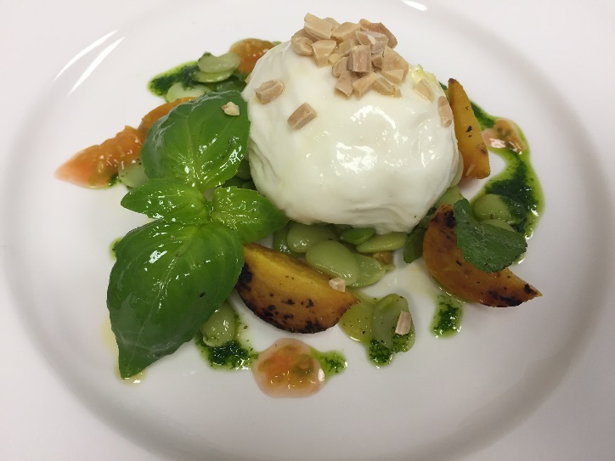
 | Burrata with Roasted Yellow Beets |  |  |  |  |  |  |  |  |  | rev 2-25-17

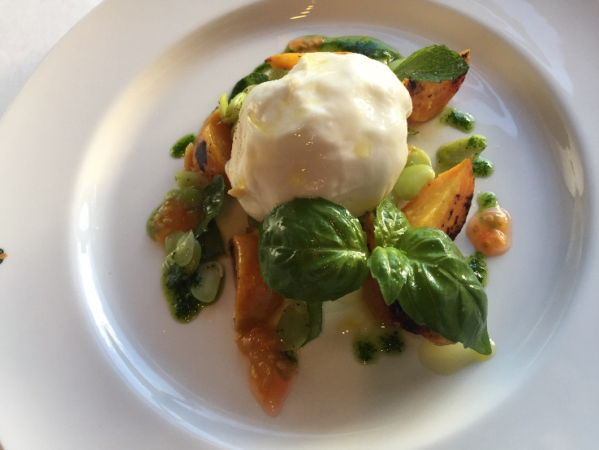
SCALING | Category: | Sabatini | Antipasti
ENTER Number of Servings | Total Yield: | 0.179 | KG - (enter yield weight in KG) | Cost Per Plated Portion
50 |  | 1.0 | Plated Portions from this recipe | $1.60
 |  | - | Buffet Portions from this recipe
 | Serving Size Plated | 0.179 | KG - (enter Plated Serving Size in KG) | Cost Per Buffet Portion
 | Serving Size Buffet |  | KG - (enter Buffet Serving Size in KG) | -

 | Action | Date | Initials
 | Created: |  |  | Yield%
 | Revised: | 3.15.17 | AJ | 98.4%

 | Amount | UOM | Ingredient | Preparation Method | Product No. | Product Description | Cost | Avg $ | UOM | Error
3.5 | 0.070 | Kg | Burrata |  | 20-100018600 | Cheese Burrata Di Stefano (Sabatini's) | $1.12 | $16.04 | KG
1 | 0.020 | Kg | Fava Beans | blanched | 20-100001180 | Fava Beans | $0.08 | $4.18 | KG
2.5 | 0.050 | Kg | Roasted Yellow Beets |  |  |  | $0.13
0.1 | 0.002 | Kg | Mint | roughly chopped | 20-100000878 | Herb, Mint | $0.02 | $7.89 | KG
0.1 | 0.002 | Kg | Basil Leaves | roughly chopped | 20-100000876 | Herb, Basil, Bulk, Fresh | $0.02 | $8.70 | KG
1.75 | 0.035 | Lt | Mint Basil Vinaigrette |  |  |  | $0.19
0.15 | 0.003 | Kg | Hazelnut | Toasted, chopped | 20-100000891 | Filberts Shelled (Hazelnuts) | $0.04 | $14.20 | KG
0
0
z | 0.182 |  |  |  |  | Total Cost | $1.60
 |  |  |  |  |  | Entrée Cost per serving | $1.60
 |  |  | Roasted Yellow Beets:
 | 2.000 | Kg | Yellow Beets |  | 20-100024044 | Beets, Yellow/Golden, Medium-Large Size, Tops on- For Curtis Stone Only | $3.93 | $1.96 | KG
 | 0.100 | Lt | Extra Virgin Olive Oil |  | 20-100001607 | Oil Olive Extra Virgin | $0.43 | $4.29 | LT
 | 0.030 | Kg | Sugar |  | 20-100001065 | Sugar Granulated | $0.03 | $0.86 | KG
 | 0.100 | Lt | White Balsamic Vinegar |  | 20-100022616 | Vinegar, Balsamic White - For Asian Market Usage | $1.46 | $14.60 | LT
 |  |  |  |  |  |  | $5.84
 |  |  | Mint Basil Vinaigrette:
 | 0.100 | Lt | Extra Virgin Olive Oil |  | 20-100001607 | Oil Olive Extra Virgin | $0.43 | $4.29 | LT
 | 0.030 | Lt | Lemon Juice |  | 20-100001384 | Lemon Juice Pure | $0.03 | $0.84 | LT
 | 0.015 | Kg | Dijon Mustard |  | 20-100001256 | Mustard Dijon(Original French) 8 Oz Btl | $0.00 | $1.98 | EA | DIFFERENT | $0.00
 | 0.030 | Kg | Basil Leaves |  | 20-100000876 | Herb, Basil, Bulk, Fresh | $0.26 | $8.70 | KG
 | 0.030 | Kg | Mint |  | 20-100000878 | Herb, Mint | $0.24 | $7.89 | KG
 | 0.001 | Kg | Salt |  | 20-100019151 | Sea Salt Coarse Bulk | $0.00 | $1.51 | KG
 | 0.001 | Kg | Pepper |  | 20-100001295 | Pepper Black Ground | $0.02 | $18.54 | KG
 |  |  |  |  |  |  | $0.97

Method of Preparation:
 |  |  | Mint Basil Vinaigrette:
 | 1. Blend the olive oil, lemon juice, dijon mustard, basil leaves, and mint. Season with salt and pepper.
 |  |  | Burrata with Roasted Yellow Beets:
 | 1. Wash the beet. Roast beets in oven with extra virgin olive oil.

 | 2. Once cooled, marinate with olive oil, sugar, and balsamic vinegar. Keep in refridgerator up to one week.
 |  |  | Burrata:
 | 1. Toss the roasted beets, blanched fava beans, burrata, mint, and basil together with the mint basil vinaigrette. Arrange per picture with burrata on top, sprinkled with toasted chopped hazelnut.

