Recipe
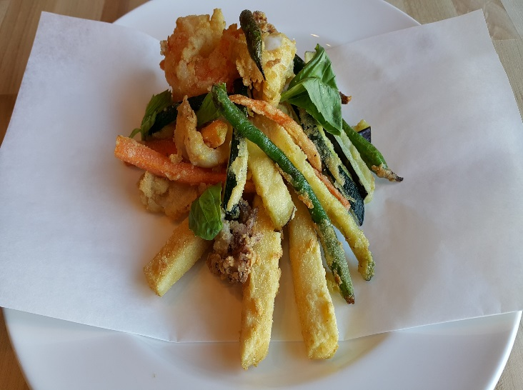
 | Frittino (Parranza) |  |  |  |  |  |  |  |  |  | rev 2-25-17
 | Chickpea fritters, squid, prawns, eggplant
SCALING | Category: | Sabatini | Antipasti
ENTER Number of Servings | Total Yield: | 3.749 | KG - (enter yield weight in KG) | Cost Per Plated Portion
50 |  | 1.0 | Plated Portions from this recipe | $1.38
 |  | - | Buffet Portions from this recipe
 | Serving Size Plated | 3.749 | KG - (enter Plated Serving Size in KG) | Cost Per Buffet Portion
 | Serving Size Buffet |  | KG - (enter Buffet Serving Size in KG) | -

 | Action | Date | Initials
 | Created: |  |  | Yield%
 | Revised: | 3.6.17 | AJ | 1630.0%

 | Amount | UOM | Ingredient | Preparation Method | Product No. | Product Description | Cost | Avg $ | UOM | Error
1 | 0.020 | Kg | Squid |  | 20-100000707 | Squids Cleaned 5-8in Tubes (Loligo Vulgaris) | $0.14 | $7.05 | KG
3.75 | 0.075 | Kg | Shrimp (3 Ea) |  | 20-100000730 | Shrimp Raw Peeled & Deveined 26-30 Ct/Lb Tail On Black Tiger(Penaeus Monodon) | $0.79 | $10.59 | KG
0 |  |  | Beer Batter | See Sub Recipe Below
3 | 0.060 | Lt | Milk for soaking |  | 20-100000577 | Milk Whole Homo 5 Gal Dispenser (20 Lt) USDA GRADE A | $0.05 | $15.98 | EA | DIFFERENT | $0.05
2.5 | 0.050 | Kg | Semolina for dusting |  | 20-100000475 | Flour Semolina | $0.04 | $0.89 | KG
0.5 | 0.010 | Kg | Eggplant | Cut in strips | 20-100000815 | Eggplant Dark Purple, No.1, Medium 300-400 GRM | $0.01 | $1.34 | KG
0.5 | 0.010 | Kg | Carrot | Medium Julienne | 20-100000811 | Carrots, Medium, 200-300 MM No Top | $0.01 | $0.62 | KG
0.25 | 0.005 | Kg | Green Beans |  | 20-100000919 | Beans Green Regular Cut Frozen | $0.01 | $1.37 | KG
0 |  |  | Citrus Aioli | See Sub Recipe |  |  | $0.25
0 |  |  | Batter | See sub recipe |  |  | $0.08
0
z | 0.230 |  |  |  |  | Total Cost | $1.38
 |  |  | Batter: |  |  | Entrée Cost per serving | $1.38
 | 0.05 | Lt | Milk |  | 20-100000577 | Milk Whole Homo 5 Gal Dispenser (20 Lt) USDA GRADE A | $0.04 | $15.98 | EA | DIFFERENT | $0.04
 | 0.01 | Kg | Flour |  | 20-100000471 | Flour Bakers Hard Wheat 1/50 (Manitoba Typo 00) | $0.01 | $0.60 | KG
 | 0.01 | Kg | Semolina |  | 20-100000475 | Flour Semolina | $0.01 | $0.89 | KG
 | 0.001 | Kg | Rosemary | Chopped fine | 20-100000879 | Herb, Rosemary, Bulk, Fresh | $0.01 | $10.94 | KG
 | 0.001 | Kg | Thyme | Chopped fine | 20-100000886 | Herb, Thyme, Bulk, Fresh | $0.01 | $11.79 | KG
 |  |  | Citrus Aioli:
 | 0.200 | kg | Garlic cloves |  | 20-100000869 | GARLIC PEELED 1 GAL | $0.81 | $11.94 | EA | DIFFERENT | $4.03
 | 1.000 | lt | Milk |  | 20-100000577 | Milk Whole Homo 5 Gal Dispenser (20 Lt) USDA GRADE A | $0.80 | $15.98 | EA | DIFFERENT | $0.80
 | 1.500 | kg | Mayonnaise |  | 20-100001437 | MAYONNAISE EXTRA HEAVY 80/20 1 GAL TRANS FAT FREE | $2.31 | $5.60 | EA | DIFFERENT | $1.54
 | 0.225 | lt | Lemon juice |  | 20-100001384 | Lemon Juice Pure | $0.19 | $0.84 | LT
 | 0.100 | kg | Chervil |  | 20-100000888 | Herb, Chervil, Bulk, Fresh | $2.52 | $25.23 | KG
 | 0.500 | lt | Olive oil |  | 20-100018656 | Segesta Sicilian Extra Virgin Olive Oil 3 Liter Tin (Sabatini's) | $5.63 | $33.75 | EA | DIFFERENT | $11.25
 |  |  | Beer Batter:
 | 0.355 | Lt | Lager Beer (12oz)
 | 0.059 | Lt | Sparkling water (2oz)
 | 0.136 | Kg | Pasta Flour 00 |  | 20-100000471 | Flour Bakers Hard Wheat 1/50 (Manitoba Typo 00) | $0.08 | $0.60 | KG
 | 0.044 | Lt | White Wine |  | 20-100001689 | Wine White 18 Ltr Bag (Crew) Alcohol 13.5% Food Item | $0.10 | $18.43 | Lt | $0.10
 | 0.002 | Kg | Sea Salt |  | 20-100001323 | Coarse Sea Salt | $0.00 | $1.52 | KG

Method of Preparation:
 | Batter:

 | 1. Mix flour, semolina, and herbs.

 | Frittino:

 | 1. Heat oil in a deep fryer to 365 (F).

 | 2. Rinse shellfish, pat dry, reserve in cold milk. Remove from milk and dip into batter, then drop one at the time into hot oil. Fry shellfish turning once, until both side are light golden.

 | 3. Drain on paper towels, serve hot after seasoned with salt and pepper and fresh chopped parsley.

 | 4. Separately soak vegetables in cold milk and dip in flour and fry until crispy.

 | 5. Drain on paper towels, serve hot after seasoned with salt and pepper and fresh chopped parsley.

 | Citris Aoili:
 | Bring the milk to a boil and blanche the garlic cloves. Drain and cool.
 | Process/blend the garlic with the mayonnaise, olive oil and chervil. Add lemon juice to taste. Season.

