Recipe
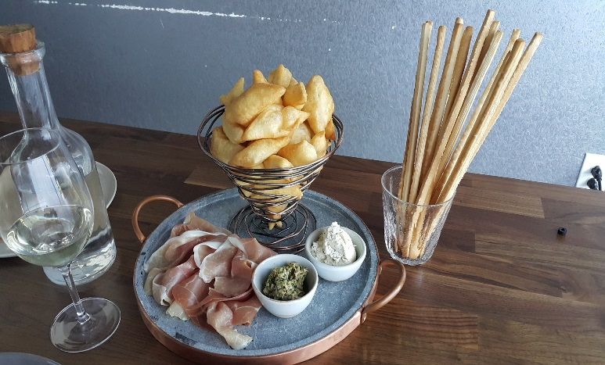
 | Zonzelle Toscane (fried dough) |  |  |  |  | Prosciutto and passata only* |  |  |  |  | rev 2-25-17
SCALING | Category: | Sabatini
ENTER Number of Servings | Total Yield: | 2,447 | KG - (enter yield weight in KG) | Cost Per Plated Portion
50 |  | 20.0 | Plated Portions from this recipe | $0.05
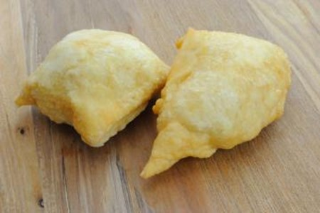
 |  | - | Buffet Portions from this recipe
 | Serving Size Plated | 122.35 | KG - (enter Plated Serving Size in KG) | Cost Per Buffet Portion
 | Serving Size Buffet |  | KG - (enter Buffet Serving Size in KG) | -

 | Action | Date | Initials
 | Created: |  |  | Yield%
 | Revised: | 3.2.17 | AJ | 9788000.0%
 |  | 3.9.17 | AJ
 | Amount | UOM | Ingredient | Preparation Method | Product No. | Product Description | Cost | Avg $ | UOM | Error

#VALUE! | 1.000 | kg | Flour |  | 20-100000471 | Flour Bakers Hard Wheat 1/50 (Manitoba Typo 00) | $0.60 | $0.60 | KG
0.025 | 0.010 | kg | Sugar |  | 20-100001065 | Sugar Granulated | $0.01 | $0.86 | KG
0.0375 | 0.015 | kg | Yeast |  | 20-100001612 | Yeast Dry SAF Brand | $0.06 | $4.06 | KG
1 | 0.400 | lt | Water
0.0025 | 0.001 | lt | Olive Oil |  | 20-100001607 | Oil Olive Extra Virgin | $0.00 | $4.29 | LT
0.0025 | 0.001 | kg | salt |  | 20-100001305 | SALT TABLE IODIZED | $0.00 | $0.34 | KG
0.05 | 0.020 | Kg | prosciutto |  | 20-100001636 | Prosciutto Crudo (Parma Ham) Aged 14 Months Min. 10lbs San Daniele Gold #10105 | $0.23 | $11.67 | KG
0.0625 | 0.025 | lt | Passata |  |  |  | $0.05
z | 0.025 |  |  |  |  | Total Cost | $0.96
Method of Preparation: |  |  |  |  |  | Entrée Cost per serving | $0.05
 | 1- In a large bowl place the flour, sugar and half a potato that have boiled and crushed with a fork; separately melt the yeast in warm water and add to the flour. Add salt, water and knead well, until the mixture is smooth and homogeneous rather elastic; cover with a cloth and let rise for a couple of hours away from drafts.

 | 2- When the dough is ready, kneads again for a few minutes and formed into small balls. In a saucepan, heat abundant peanut oil and fry a bit 'of balls at a time. Drain on paper towels so that they lose the excess oil and serve.

 | Precautions:
 | Salt should be added to the mix as the last ingredient, otherwise blocking the leavening.
 | Ideas and variants:
 | The fried dough may have other forms. Often you will find a square, triangular or stick. To obtain these forms, roll out the dough with a thickness of about 3 mm, cut as favorites and fry.

