Recipe
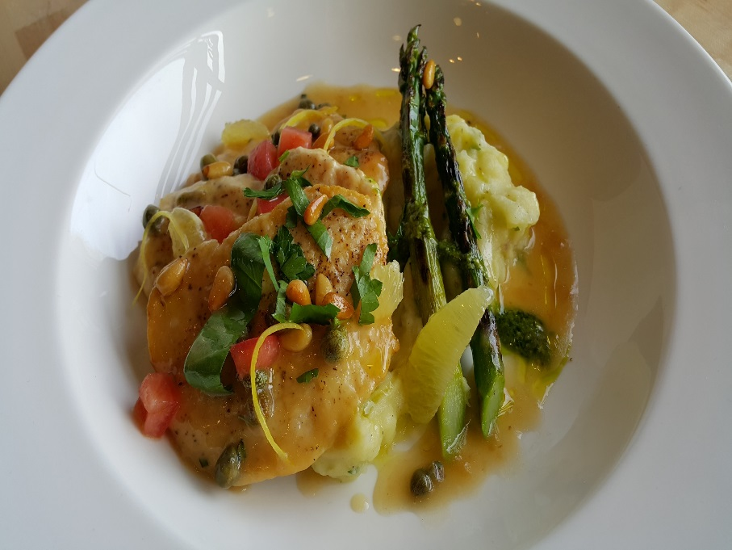
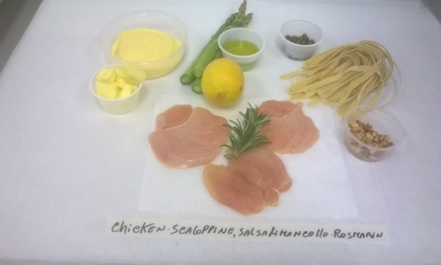
 | Chicken Scaloppini |  |  |  |  |  |  |  |  |  | rev 2-15-17
Category: |  | Sabatini | Entrée
Total Yield: |  | 2.95 | KG - (enter yield weight in KG) | Cost Per Plated Portion
 |  | 10.0 | Plated Portions from this recipe | $1.35
 |  | 0.295 | Buffet Portions from this recipe
 | Serving Size Plated | 0.295 | KG - (enter Plated Serving Size in KG) | Cost Per Buffet Portion
 | Serving Size Buffet | 0 | KG - (enter Buffet Serving Size in KG) | 0

 | Action | Date | Initials
 | Created: | 2/1/17 | CP | Yield%
 | Revised: | 3.1.17 | AJ | 73.0%
 |  | 3.10.17 | AJ

 | Amount | UOM | Ingredient | Preparation Method | Product No. | Product Description | Cost | Avg $ | UOM | DIFF
 |  |  | Chicken Scaloppini:
 | 1.500 | Kg | Chicken Breast (10 x 150g) | Cut into 3 pcs, slightly beaten | 20-100014417 | Chicken Breast 4oz Raw Skinless Natural | $7.55 | $5.03 | KG |  |  | 1120
 | 0.100 | Kg | Flour |  | 20-100000471 | Flour Bakers Hard Wheat 1/50 (Manitoba Typo 00) | $0.06 | $0.60 | KG
 | 0.030 | Kg | Rosemary | Finely chopped | 20-100000879 | Herb, Rosemary, Bulk, Fresh | $0.33 | $10.94 | KG
 | 0.110 | Kg | Lemon (1ea) | Zested | 20-100000771 | Lemon, No.1, 165-200 CT, 90-120 GR | $0.17 | $1.56 | KG
 | 0.010 | Kg | Butter |  | 20-100001600 | Butter Unsalted Aa 1 Lb (454 Gm) | $0.04 | $3.78 | KG
 | 0.005 | Lt | Olive Oil |  | 20-100001607 | Oil Olive Extra Virgin | $0.02 | $4.29 | LT
 |  |  | Garlic Sauce:
 | 1.000 | LT | Chicken Stock |  | 50-100000046 | Chicken Stock | $0.18 | $0.18 | LT
 | 0.025 | Kg | Roast Garlic Puree |  | 50-100000157 | Roasted Garlic Puree | $0.16 | $6.49 | KG
 | 0.010 | Kg | Garlic Cloves |  | 20-100000869 | GARLIC PEELED 1 GAL | $0.05 | $11.94 | EA | DIFFERENT | $0.05
 | 0.010 | Lt | Vegetable Oil |  | 20-100001608 | Oil Vegetable Trans Fat Free Flashpoint must be >600 Degree F/315 Degree C | $0.01 | $1.12 | LT
 | 0.010 | Kg | Rosemary |  | 20-100000879 | Herb, Rosemary, Bulk, Fresh | $0.11 | $10.94 | KG
 | 0.220 | Kg | Lemon Squeezed (2 ea) | Julienne of Lemon Confit | 20-100000771 | Lemon, No.1, 165-200 CT, 90-120 GR | $0.34 | $1.56 | KG
 | 0.030 | Kg | Capers |  | 20-100001224 | Capers Imported Non Pareil (5-7Mm) 900 Grams | $0.13 | $4.27 | EA | DIFFERENT | $0.14
 | 0.030 | Kg | Pine Nuts | Crushed | 20-100000895 | Pine Nuts Shelled (Pignolia) | $0.76 | $25.28 | KG
 | 0.050 | Kg | Parsley |  | 20-100001572 | Fettuccine Egg | $0.20 | $4.04 | KG

 | 0.300 | Kg | Potatoes | cubed | 20-100000843 | Potato, Utility, 140-250 Grm US No. 1 | $0.19 | $0.62 | KG
 | 0.150 | Lt | Extra Virgin Olive Oil |  | 20-100001607 | Oil Olive Extra Virgin | $0.64 | $4.29 | LT

 | 0.450 | Kg | Asparagus (3 ea) |  | 20-100000803 | Asparagus, Green, Medium, 8-12 MM Dia | $2.54 | $5.64 | KG

z | 4.040 |  |  |  |  | Total Cost | $13.49
Method of Preparation: |  |  |  |  |  | Entrée Cost per serving | $1.35
 |  |  | Chicken:

 | 1- Pound out the sliced chicken breast and drench in flour.

 | 2- Add the butter, rosemary, and oil into a frying pan. Once heated, add the chicken.

 |  |  | Garlic Sauce:

 | 1- Sauté garlic in oil, then add chicken stock with fresh rosemary leaves.

 | 2- Strain and reduce by half.

 | 3- Bring to a boil and add garlic puree and lemon jus. Reduce slightly. Thicken with butter munier, if necessary.

 |  |  | Potato:

 | 1. Bring water to a boil. Add potato and boil until soft. Remove potatoes, and save some water.

 | 2- Mash potatoes with a whisk. Add olive oil, lemon zest, and saved water. Salt to taste.

 |  |  | To Finish:

 | 1- Once chicken is golden brown on both sides it is ready to serve.

 | 2- Serve with 30 grams of mashed potato and garlic sauce, adding capers.

 | 3- Serve with grilled asparagus, Italian parsley, and lemon julienne confit.

 | 4. Garnish with basil and parsley per picture.

