Sheet1
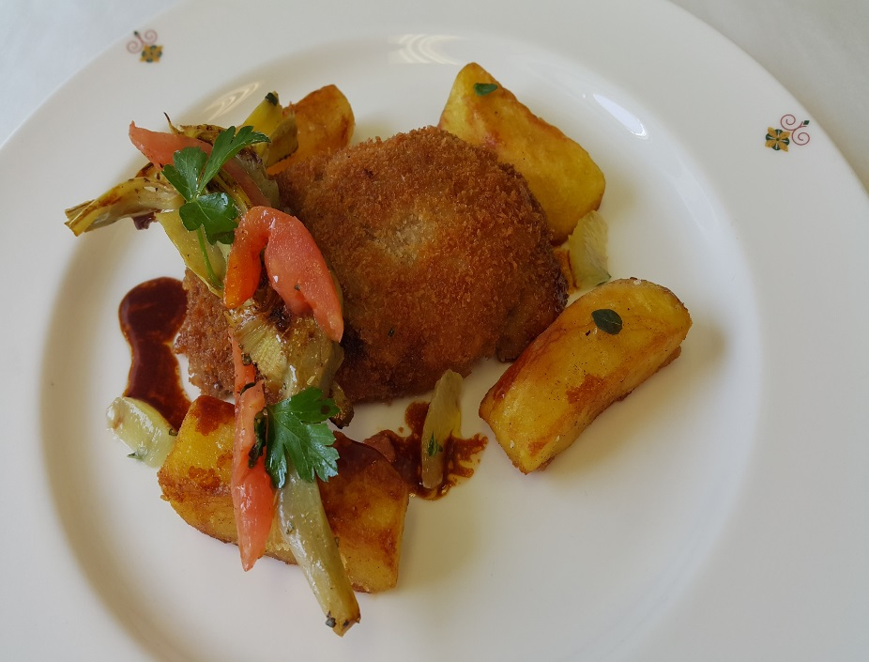
Breaded Veal Vallet
 | Description: | roasted artichoke, provolone, marjoram and roast potato
 | Serving Size: | 50 |  |  | Cost Per Serving
 | Categories: | Sabatini's |  |  | $3.67

 | Action | Date | Initials
 | Created | 2016-06-24 | CP
 | Revised | 2016-07-15 | EA

 | Amount | Measure | Ingredient | Preparation Method | Product No. | Product Description | Cost | Avg $ | UOM | DIFFERENT
 | 3.000 | Kg | Artichoke |  | 20-100001191 | Artichoke Hearts 50/60 Ct #10 | $23.33 | $7.78 | EA | DIFFERENT | $2.86
 | 0.100 | Kg | White onion |  | 20-100000837 | Onion White, Medium 60-80 MM Dia | $0.12 | $1.23 | KG
 | 0.030 |  | Garlic |  | 20-100000869 | GARLIC PEELED 1 GAL | $0.41 | $13.64 | EA | DIFFERENT | $3.76
 | 0.020 | Kg | Thyme |  | 20-100000886 | Herb, Thyme, Bulk, Fresh | $0.29 | $14.37 | KG
 | 0.005 |  | Bay leaf |  | 20-100001270 | Bay Leaves Whole | $0.06 | $12.98 | KG | DIFFERENT
 | 0.500 | Lt | White wine |  | 20-100001689 | Wine White 18 Ltr Bag (Crew) Alcohol 13.5% Food Item | $10.76 | $21.53 | EA | DIFFERENT | $1.20
 | 2.000 | Lt | Chicken Stock |  | 50-100000046 | Chicken Stock | $0.36 | $0.18 | LT
 | 0.01 | Lt | Olive oil |  | 20-100001607 | Oil Olive Extra Virgin | $0.04 | $4.15 | LT
 |  |  | Roasted Potatoes:
 | 5.000 | Kg | Potato | baton cut | 20-100000845 | Potatoes Baking/Russet Oblong, 100 CT, Diameter asorted 55MM+, Packed in Boxes | $2.51 | $0.50 | KG
 | 0.025 | Lt | Oil Olive |  | 20-100001607 | Oil Olive Extra Virgin | $0.10 | $4.15 | LT
 | 0.030 | Kg | Rosemary |  | 20-100000879 | Herb, Rosemary, Bulk, Fresh | $0.33 | $11.08 | KG
 | 0.030 | Kg | Thyme |  | 20-100000886 | Herb, Thyme, Bulk, Fresh | $0.43 | $14.37 | KG
 |  |  | salt & black pepper to taste
 |  |  | Vallet:
 | 10.000 | Kg | Veal leg |  | 20-100001667 | Veal Legs Tsr Boneless Milk Fed NAMP #336 | $120.60 | $12.06 | KG
 | 2.000 | Kg | Provolone |  | 20-100000535 | Provolone Log Domestic | $9.75 | $4.87 | KG
 | 1.000 | Kg | Tomato |  | 20-100000855 | Tomato, Round, Red / Stage 5, Medium / 57-67 MM Dia, Bulk | $1.27 | $1.27 | KG
 | 2.000 | Kg | Panko breadcrumbs |  | 20-100016117 | PANKO JAPANESE BREAD CRUMBS | $3.28 | $1.64 | KG
 | 0.200 | Kg | Flour, all purpose |  | 20-100000470 | Flour All Purpose 1/50 GM#53521 | $0.26 | $1.32 | KG
 | 0.300 | Kg | Eggs |  | 20-100000949 | Egg Pasturized Frozen Whole with Citric Acid Tetra Pak | $0.68 | $2.27 | KG
 | 1.000 | Kg | Butter |  | 20-100001600 | Butter Unsalted Aa 1 Lb (454 Gm) | $3.92 | $3.92 | KG
 | 0.200 | Kg | Parsley, Italian |  | 20-100023859 | Parsley, Flat Leaf Italian | $0.57 | $2.84 | KG
 | 0.010 | kg | Majoram |  | 20-100000885 | Herb, Marjoram, Bulk, Fresh | $0.12 | $11.85 | KG
 | 1.000 | Lt | Veal Demi Glace |  | 50-100000140 | Veal Demi-Glace | $2.53 | $2.53 | LT
 |  |  | salt & black pepper

 |  |  | Sun Blast Tomatoes:
 | 0.360 | Kg | Tomato | cut in half | 20-100000861 | Tomato Roma / Plum, Red Stage 5, Medium 47/57 MM, Bulk | $0.42 | $1.17 | KG
 | 0.100 | Lt | Olive Oil |  | 20-100001607 | Oil Olive Extra Virgin | $0.42 | $4.15 | LT
 | 0.060 | Kg | Sugar |  | 20-100001065 | Sugar Granulated | $0.05 | $0.75 | KG
 | 0.030 | Kg | Thyme | fine chopped | 20-100000886 | Herb, Thyme, Bulk, Fresh | $0.43 | $14.37 | KG
 | 0.030 | Kg | Rosemary | fine chopped | 20-100000879 | Herb, Rosemary, Bulk, Fresh | $0.33 | $11.08 | KG
 | 0.030 | Kg | Garlic | fine chopped | 20-100000869 | GARLIC PEELED 1 GAL | $0.18 | $13.64 | EA | DIFFERENT | $0.18
 | 0.005 | Kg | Salt |  | 20-100019151 | Sea Salt Coarse Bulk | $0.01 | $1.64 | KG
 | 0.005 | Kg | Pepper |  | 20-100001295 | Pepper Black Ground | $0.09 | $17.93 | KG
 |  |  |  |  |  |  | $183.67
Method of Preparation: |  |  |  |  |  |  | $3.67
Artichoke:
- | In olive oil, add chopped onion and chopped garlic, caramelize then add artichoke, thyme, bay leaf and white wine.
- | Reduce the wine and add chicken stock.
- | Cover the artichoke with chicken stock and reduce until chicken stock is dry. Season with salt and pepper for taste.
Roasted Potatoes:
- | In a large bowl, toss the baton cut potatoes with oil, rosemary, thyme and season with salt and pepper.
- | Remove hot baking sheet from oven and arrange potatoes cut side down and in single layer on baking sheet, scraping all of oil mixture over potatoes.
 | Vallet:
- | Prepare the veal scaloppine 3 oz each, not too thin. Season with salt & pepper to taste.
- | Place one slice cheese and one piece artichoke with oregano, sun dried tomato, and parlsey.
- | Then put on top one more veal scaloppine, nip close the ends.
- | Dust with flour, dip in eggs and then bread with panko bread crumbs, chopped sage, and chopped rosemary.
- | Cook the Veal Vallet in butter and vegetable oil.
- | When it's cooked put in paper napkin to drain the oil and sprinkle with salt.
 |  |  | Sun Blast Tomatoes:
 | 1. Blanch the tomatoes in boiling water for ten to twelve seconds and immerse them in ice cold water. Remove from the ice and peel the tomatoes.

 | 2. Cut the tomatoes in half length ways.

 | 3. Marinate with the ingredients. Place on a baking tray and allow to dry under the heat lamps in the Kitchen until dehydration starts.

Short Story | 4. Place into a container and sprinkle with a little olive oil.

 | Milan/Italy is capital of the Lombardy region. Milanese cooking is primarily rice and butter based rather than pasta and olive oil based cooking of much of the rest of Italy. It seems that breading food with bread crumbs is connected with Milan. The term Milanese is often used in connection with breaded foods, and the Wiener Schnitzel, see there, might have come from Milan because it was an Austrian possession until the mid 1800's. A cosmopolitan city, the foods and restaurants tend to be less regional and more modern culinary version.

