Recipe
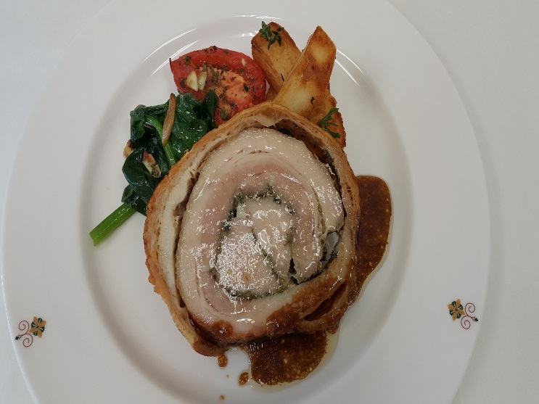
 | Pork Belly Porchetta |  |  |  |  |  |  |  |  |  | rev 2-25-17
SCALING | Category: | Sabatinis
ENTER Number of Servings | Total Yield: | 3.554 | KG - (enter yield weight in KG) | Cost Per Plated Portion
50 |  | 12.0 | Plated Portions from this recipe | $1.61
 |  | - | Buffet Portions from this recipe
 | Serving Size Plated | 0.29616666667 | KG - (enter Plated Serving Size in KG) | Cost Per Buffet Portion
 | Serving Size Buffet |  | KG - (enter Buffet Serving Size in KG) | -

 | Action | Date | Initials
 | Created: |  |  | Yield%
 | Revised: | 3.2.17 | AJ | 170.8%

 | Amount | UOM | Ingredient | Preparation Method | Product No. | Product Description | Cost | Avg $ | UOM | Error
0
2.5 | 0.600 | kg | Pork Loin |  | 20-100001616 | Pork Tenderloin 1.5 lb Down Trimmed Free of Fat NAMP415 | $2.91 | $4.85 | KG
8.75 | 2.100 | kg | Pork Belly |  | 20-100016436 | Pork Belly Skin On Namp 408 | $9.64 | $4.59 | KG
0.20833333333 | 0.050 | kg | Rosemary | Fresh | 20-100000879 | Herb, Rosemary, Bulk, Fresh | $0.55 | $10.94 | KG
0.125 | 0.030 | kg | Sage | Fresh | 20-100000880 | Herb, Sage, Bulk, Fresh | $0.41 | $13.76 | KG
0.20833333333 | 0.050 | kg | Garlic | Fresh | 20-100000869 | GARLIC PEELED 1 GAL | $0.11 | $11.94 | EA | DIFFERENT | $0.11
0.125 | 0.030 | kg | Fennel | Fresh | 20-100000816 | Fennel Anise, Topped | $0.06 | $2.06 | KG
0.083333333333 | 0.020 | kg | Fennel Seeds |  | 20-100001285 | Fennel Seed Whole | $0.14 | $6.76 | KG
0.020833333333 | 0.005 | kg | Black Pepper | Crushed | 20-100001295 | Pepper Black Ground | $0.09 | $18.54 | KG
0.020833333333 | 0.005 | kg | Sea Salt |  | 20-100001323 | Coarse Sea Salt | $0.01 | $1.52 | KG
0.083333333333 | 0.020 | kg | Red Chili Flakes |  | 20-100001275 | Chili Peppers Crushed | $0.17 | $8.29 | KG
0.45833333333 | 0.110 | Kg | Lemon Zest |  | 20-100000771 | Lemon, No.1, 165-200 CT, 90-120 GR | $0.17 | $1.56 | KG
2.0833333333 | 0.500 | lt | White Wine |  | 20-100001689 | Wine White 18 Ltr Bag (Crew) Alcohol 13.5% Food Item | $0.51 | $18.43 | EA | DIFFERENT | $0.51
0.016666666667 | 0.004 | lt | Vegetable Oil |  | 20-100001608 | Oil Vegetable Trans Fat Free Flashpoint must be >600 Degree F/315 Degree C | $0.00 | $1.12 | LT
0 |  |  | Roasted Potatoes:
1.5 | 0.360 | Kg | Potato | baton cut | 20-100000845 | Potatoes Baking/Russet Oblong, 100 CT, Diameter asorted 55MM+, Packed in Boxes | $0.31 | $0.87 | KG
0.083333333333 | 0.020 | Lt | Olive Oil |  | 20-100001607 | Oil Olive Extra Virgin | $0.09 | $4.29 | LT
0.041666666667 | 0.010 | Kg | Rosemary | fine chopped | 20-100000879 | Herb, Rosemary, Bulk, Fresh | $0.11 | $10.94 | KG
0.041666666667 | 0.010 | Kg | Thyme | fine chopped | 20-100000886 | Herb, Thyme, Bulk, Fresh | $0.12 | $11.79 | KG
0.041666666667 | 0.010 | Kg | Sage | fine chopped | 20-100000880 | Herb, Sage, Bulk, Fresh | $0.14 | $13.76 | KG
0.020833333333 | 0.005 | Kg | Garlic |  | 20-100000869 | GARLIC PEELED 1 GAL | $0.03 | $11.94 | EA | UOM Err | $0.03
 |  |  | Sun Blast Tomatoes:
1.5 | 0.360 | Kg | Tomato | cut in half | 20-100000861 | Tomato Roma / Plum, Red Stage 5, Medium 47/57 MM, Bulk | $0.42 | $1.17 | KG
 | 0.100 | Lt | Olive Oil |  | 20-100001607 | Oil Olive Extra Virgin | $0.42 | $4.15 | LT
 | 0.060 | Kg | Sugar |  | 20-100001065 | Sugar Granulated | $0.05 | $0.75 | KG
 | 0.030 | Kg | Thyme | fine chopped | 20-100000886 | Herb, Thyme, Bulk, Fresh | $0.43 | $14.37 | KG
 | 0.030 | Kg | Rosemary | fine chopped | 20-100000879 | Herb, Rosemary, Bulk, Fresh | $0.33 | $11.08 | KG
 | 0.030 | Kg | Garlic | fine chopped | 20-100000869 | GARLIC PEELED 1 GAL | $0.18 | $13.64 | EA | DIFFERENT | $0.18
 | 0.005 | Kg | Salt |  | 20-100019151 | Sea Salt Coarse Bulk | $0.01 | $1.64 | KG
 | 0.005 | Kg | Pepper |  | 20-100001295 | Pepper Black Ground | $0.09 | $17.93 | KG
 |  |  | Sauted Spinach:
1.5 | 0.360 | Kg | Spinach | sauté | 20-100000849 | Spinach Leaves, Loose, Clean | $1.71 | $4.74 | KG
 | 0.010 | Lt | Olive Oil |  | 20-100001607 | Oil Olive Extra Virgin | $0.04 | $4.29 | LT
 | 0.010 | Kg | Garlic | crushed | 20-100000869 | GARLIC PEELED 1 GAL | $0.05 | $11.94 | EA | UOM Err | $0.05
 | 0.002 | Kg | Salt |  | 20-100019151 | Sea Salt Coarse Bulk | $0.00 | $1.51 | KG
0
z | 2.081 |  |  |  |  | Total Cost | $19.30
 |  |  |  |  |  | Entrée Cost per serving | $1.61
 | Method of Preparation:
 | 1. Clean the pork belly removing excess fat, if any.

 | 2. Finely chop the fennel, garlic, rosemary, sage, and add the sea salt pepper and lemon zest to the chopped herbs

 | 3. Fill the pork with the herb mixture and season the pork loin at the same time.

 | 4. Before baking the meat, cut the engravings into the skin of the belly and close it again.

 | 5. Tie them together to avoid them opening up

 | 6. Grease with the vegetable oil and cook in a preheated 200°C oven for approximately 2 hours

 | 7. Moisten often with white wine and when it begins to become crispy, cover the roast with paper

 |  |  | Roasted Potato:

 | 1. Cut potato in baton and boil in salt water for a few minutes.

 | 2. Strain potatoes and dry. Mix potatoes together with rosmeary, thyme, vegetable oil, and sage.

 | 3. Bake at 175 °c for 20 minutes or until crispy and golden. Sprinkle with salt before serving.

 |  |  | Sun Roasted Tomato:

 | 1. Blanch the tomatoes in boiling water for ten to twelve seconds and immerse them in ice cold water. Remove from the ice and peel the tomatoes.

 | 2. Cut the tomatoes in half length ways.

 | 3. Marinate with the ingredients. Place on a baking tray and allow to dry under the heat lamps in the Kitchen until dehydration starts.

 | 4. Place into a container and sprinkle with a little olive oil.

 |  |  | Sauted Spinach:

 | 1. Saute olive oil and crushed garlic in a pan until garlic is golden brown.

 | 2. Add spinach with a little water and salt. Cover for 20 seconds. Remove cover toss and serve.

