Recipe
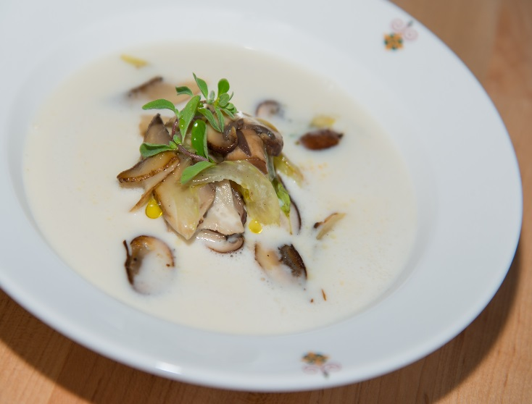
 | Grana Padano Fondue |  |  |  |  |  |  |  |  |  | rev 2-25-17
 | celery, foraged mushrooms, toasted hazelnuts
SCALING | Category: | Sabatini
ENTER Number of Servings | Total Yield: | 4.887 | KG - (enter yield weight in KG) | Cost Per Plated Portion
50 |  | 10.0 | Plated Portions from this recipe | $0.89
 |  | - | Buffet Portions from this recipe
 | Serving Size Plated | 0.4887 | KG - (enter Plated Serving Size in KG) | Cost Per Buffet Portion
 | Serving Size Buffet |  | KG - (enter Buffet Serving Size in KG) | -

 | Action | Date | Initials
 | Created: |  |  | Yield%
 | Revised: | 2.26.17 | DR | 100.0%
 |  | 3.6.17 | AJ
 | Amount | UOM | Ingredient | Preparation Method | Product No. | Product Description | Cost | Avg $ | UOM | Error
#VALUE! | Stock:
2.5 | 0.500 | kg | Reggiano Rinds
1.4 | 0.280 | kg | Shallots | Sliced | 20-100000864 | Shallot | $0.75 | $2.68 | KG
15 | 3.000 | lt | Water
0.005 | 0.001 | kg | Bay Leaf (1 ) |  | 20-100011709 | Bay Leaves | $- | $- | KG
1.5 | 0.300 | kg | Grated Grana Padano |  | 20-100000533 | Parmesan For Grating | $2.90 | $9.68 | KG
2 | 0.400 | kg | Grated Reggiano |  | 20-100000533 | Parmesan For Grating | $3.87 | $9.68 | KG
1.5 | 0.300 | Lt | Cream |  | 20-100000582 | Cream Whipping Long Life Qts (Liter) Butterfat Min 36% | $0.80 | $2.67 | Lt
0.25 | 0.050 | kg | Corn starch |  | 20-100001033 | Corn Starch | $0.05 | $0.97 | KG
0.005 | 0.001 | kg | salt |  | 20-100001305 | SALT TABLE IODIZED | $0.00 | $0.34 | KG
0
#VALUE! | Garnish: ( 1 Serving)
0.15 | 0.030 | kg | Foraged Mushrooms |  | 20-100001200 | Mushrooms Button Whole 230/300Ct #10 | $0.42 | $14.01 | EA | DIFFERENT
0.075 | 0.015 | kg | White Celery | Sliced | 20-100000813 | Celery, US No.1, Green, 700-800 Grms Trimmed, US 24 CT | $0.01 | $0.85 | KG
0.025 | 0.005 | kg | Hazelnuts | Toasted | 20-100000891 | Filberts Shelled (Hazelnuts) | $0.07 | $14.20 | KG
0.025 | 0.005 | kg | Garlic Clove | Peeled | 20-100000869 | GARLIC PEELED 1 GAL | $0.02 | $11.94 | EA | DIFFERENT
0
0
0
z | 4.887 |  |  |  |  | Total Cost | $8.90
 |  |  |  |  |  | Entrée Cost per serving | $0.89
Method of Preparation:
 | 1. Bring all the stock ingredients to a boil and let simmer for 10 minutes to allow cheese rind to release flavor. Add
 | manufacturing cream and let reach boiling poing again. Set aside to cool.
 | 2. Add potato starch to cold stock and bring back to a boil. Remove from heat and start processing in a vitamix blender
 | in small batches, pouring grated cheese in small incremements from the top of the running blender
 | 3. In a saute pan heat extra virgin olive oil and garlic clove. Remove garlic after it has a chance to release flavor. Add the
 | foraged mushrooms, sliced white celery and saute until fragrant.
 | 4. Serve in a hot soup bowl and garnish with foraged mushrooms and toasted hazelnut and drizzle liguirian olive oil

