Recipe
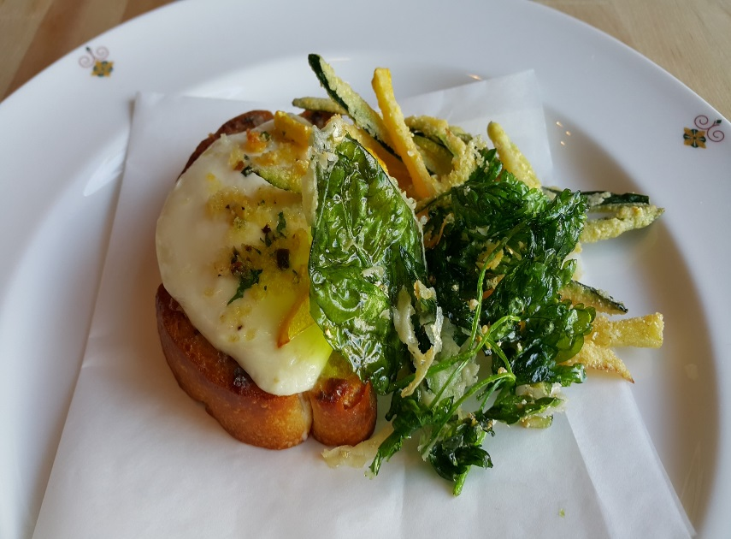
 | Alici |  |  |  |  |  |  |  |  |  | rev 2-25-17
 | Toasted house made bread crostini, Smoked scamorza cheese, zucchini
SCALING | Category: | Sabatini | Antipasti
ENTER Number of Servings | Total Yield: | 4.101 | KG - (enter yield weight in KG) | Cost Per Plated Portion
50 |  | 1.0 | Plated Portions from this recipe | $0.87
 |  | - | Buffet Portions from this recipe
 | Serving Size Plated | 4.101 | KG - (enter Plated Serving Size in KG) | Cost Per Buffet Portion
 | Serving Size Buffet |  | KG - (enter Buffet Serving Size in KG) | -

 | Action | Date | Initials
 | Created: |  |  | Yield%
 | Revised: | 2.24.17 | DR | 362.9%
 |  | 3.6.17 | AJ
 |  | 3.9.17 | AJ
 | Amount | UOM | Ingredient | Preparation Method | Product No. | Product Description | Cost | Avg $ | UOM | Error
0.6 | 0.012 | kg | Anchovies | marinated | 20-100001418 | Anchovy Fillet | $0.10 | $8.31 | KG
1 | 0.020 | kg | butter |  | 20-100001600 | Butter Unsalted Aa 1 Lb (454 Gm) | $0.08 | $3.78 | KG
50 | 1.000 | Ea | Crusty Tuscan Bread (1 slice) | (From Bakery) |  |  |  |  |  |  | #VALUE!
0.75 | 0.015 | Kg | Zucchini |  | 20-100000851 | Squash Zucchini Green No.1, 6 Inch / 15.25 CM Courgette | $0.02 | $1.13 | KG
0.75 | 0.015 | Kg | Yellow Squash |  | 20-100000858 | Squash Zucchini Yellow No.1, 6 Inch / 15.25 CM Courgette | $0.02 | $1.52 | KG
0.25 | 0.005 | kg | Basil |  | 20-100000876 | Herb, Basil, Bulk, Fresh | $0.04 | $8.70 | KG
0.25 | 0.005 | Kg | Parsley |  | 20-100000839 | Herb, Parsley, Curly, Bulk, Fresh | $0.02 | $3.43 | KG
1.75 | 0.035 | kg | Smoked Scamorza |  | 20-100023767 | Cheese, Scarmorza, Smoked - For Gastropub Use Only | $0.47 | $13.33 | KG
0.5 | 0.010 | lt | Olive Oil |  | 20-100001607 | Oil Olive Extra Virgin | $0.04 | $4.29 | LT
0.05 | 0.001 | kg | Sea Salt |  | 20-100001323 | Coarse Sea Salt | $0.00 | $1.52 | KG
0.05 | 0.001 | kg | Pepper |  | 20-100001295 | Pepper Black Ground | $0.02 | $18.54 | KG
0.05 | 0.001 | kg | Dried Oregano | for frying | 20-100001293 | Oregano Whole Dry | $0.01 | $14.01 | KG
0.1 | 0.002 | Lt | Milk | for drying | 20-100000577 | Milk Whole Homo 5 Gal Dispenser (20 Lt) USDA GRADE A | $0.03 | $15.98 | EA | DIFFERENT | $0.00
0.05 | 0.001 | kg | Flour | for frying | 20-100000471 | Flour Bakers Hard Wheat 1/50 (Manitoba Typo 00) | $0.00 | $0.60 | KG
0.25 | 0.005 | kg | Semolina Flour | for frying | 20-100000475 | Flour Semolina | $0.00 | $0.89 | KG
0.05 | 0.001 | kg | Black Olives |  | 20-100001232 | Olives Ripe Kalamata Large | $0.00 | $2.87 | KG
0.05 | 0.001 | kg | Chives |  | 20-100000882 | Herb, Chives, Bulk, Fresh | $0.01 | $12.53 | KG | #REF!
z | 1.130 |  |  |  |  | Total Cost | $0.87
Method of Preparation: |  |  |  |  |  | Entrée Cost per serving | $0.87
 | 1. Toast bread slices in preheated oven at 375 (F) after brushing them with olive oil and sprinkling with sea salt.

 | 2. Drain anchovies from oil and chop thinly add butter and place in a sauté pan to combine (Pomata).

 | 3. Deep fry zucchini, yellow squash, basil, and parsley with flour, milk, and semolina flour, flavored with dried oregano.

 | 4. Spread the bread with pomata butter and sprinkle fresh chopped chives, top with sliced smoked scamorza. Add anchovies and chopped black olives as in picture.
 | Broil until the cheese is melted. Place on serving plate and pair with fried vegetables.

 | 5. Before serving, drizzle the crostino with olive oil.

